Reporting Guidance
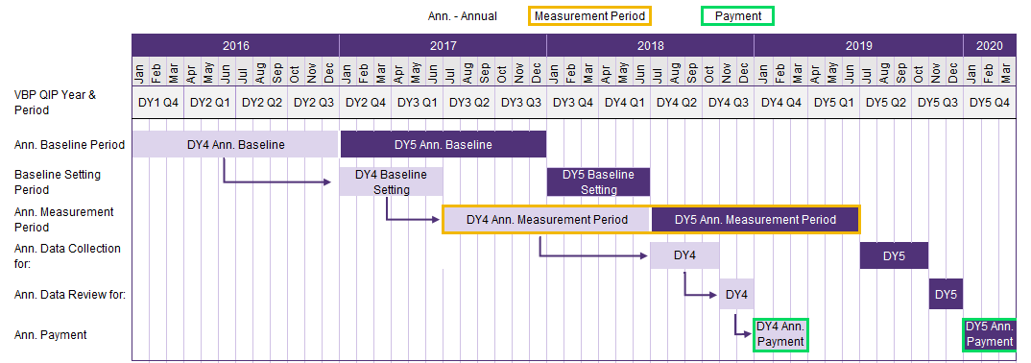
For DY4 & DY58, an AIT will be calculated by the facility and reviewed by its paired MCO to confirm improvement over the course of a four quarter “measurement period” compared to a “baseline period.” DOH recognizes that due to updating process flows to achieve better performance, facilities may see temporary declines in performance metrics, potentially leading to missed quarterly achievement on a P4P quality measure. AITs will provide facilities with an opportunity to earn P4P dollars missed in quarterly performance periods in DY4 or DY5 due to these short-term variations in performance. An AIT will be considered achieved for a specific measure as follows: For Payment in DY4: 1. If the DY4 Annual Measurement Period result is better than the DY4 Annual Baseline Period result (performance improves over the baseline) ; AND 2. If the facility achieves results for the DY4 Annual Measurement Period that are better than the mean NYS results for the specific measure as per the most recently published report by the designated data source (NYSDOH, CMS, AHRQ, NHSN, NQF, etc.). For Payment in DY5: 1. If the DY5 Annual Measurement Period result is better than the DY5 Annual Baseline Period result (performance improves over the baseline); AND 2. If a facility achieves a result for the DY5 Annual Measurement Period that is better than the mean NYS results for the specific measure as per the most recently published report by the designated data source (NYSDOH, CMS, AHRQ, NHSN, NQF, etc.). For the second requirement for AIT payment in each DY, the facility is required to compare its results to the mean of the NYS results for the specific measure. Figure 7 below outlines the 13 P4P measures and includes the units and data source of the NYS results. OQPS and GNYHA will provide the data for comparison for the measures below. The mean included in the table below is the most recent published data for the measures for illustrative purposes only. OQPS will release the NYS mean

